products
MODEL | PRICE
Model #: 08109 8" Subwoofer Steel basket Magnet:30OZ 2.0" Voice coil,2+2 ohm PP cone with foam surround PVC gasket RMS:200W | $16.6/PC | 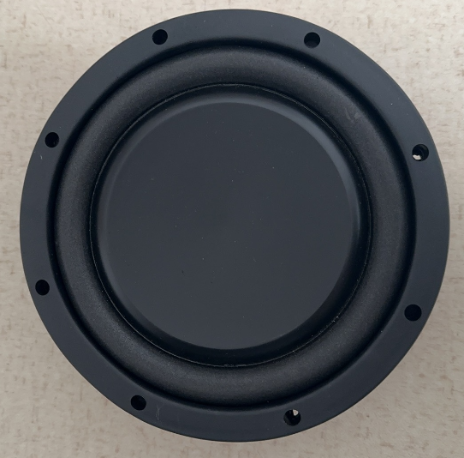 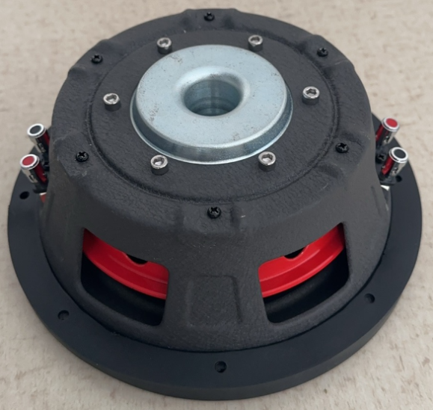
Model #: 08109 8" Subwoofer Steel basket Magnet:30OZ 2.0" Voice coil,2+2 ohm PP cone with foam surround AL gasket RMS:200W | $18.3/PC | 